Question1
$$C(Q)=\frac{d}{Q}⋅A+\frac{h}{2}⋅Q+cd$$
D | 600
A | 8
i | 0.2
c | 0.3

$$Q^{∗}=\sqrt{\frac{2dA}{h}}$$
c) All-unit Quantity Discounts |  |  |  | Q | Cost
c1 (q < 500) | 0.3 |  | Q*_2 | 406.84 | not feasible
c2 (q >= 500) | 0.29 |  | Q*_1 | 400.00 | 204.00
 |  |  | q_2 | 500 | 198.10 | <---Order 500

d) | Q | Cost
 | 250 | 206.70
 | 500 | 204.60 | <---Order 500
 | 750 | 208.90

e) Reorder point
Expected demand during Lead Time |  |  | Deterministic demand |  |  | 600/year
Lead Time (months) | 2
Lead Time (years) | 2/12
ReorderPoint | 100 | <---Order when 100 units are remanining

f)
 | A | B
mu | 80 | 60
sigma | 20 | 20
coefficient of correlation | -0.5
p | 100
c | 30
g | 0

CR | 0.70
z (exact) | 0.524
z (table) | 0.53

$$y=μ+z×σ$$
 | A | B
y | 90.60 | 70.60 | <---Order quantities
G(0.53) (table) | 0.18869805968
$$ES(y)=μ−ELS(y)$$
ELS | 3.77 | 3.77
$$ELO(y)=y−ES(y)$$
ES | 76.23 | 56.23
ELO | 14.37 | 14.37
EP | 4904.60 | 3504.60 | <---Profit

$$μ=μ_{1}+μ_{2}, σ=\sqrt{σ_{1}^{2}+2ρσ_{1} σ_{2}+σ_{2}^{2}}$$
g)
mu | 140
sigma | 20
y' | 150.49 | <---Joint order quantity
 |  |  |  |  |  | Portfolio-Effect
y_A + y_B | 161.20 | <---Sum of individual order quantity

Question2
Inventory control: with constant lead time and aggregated demand
Continuous review |  |  | ==>
Order quantity |  | 200 |  | (s,Q)
Demand
mean(annual) |  | 1000 |  | convert to yearly
st(weekly) |  | 50 | --> | 360.55512755
Lead Time (in weeks) |  | 4 | --> | 0.076923076923
purchase cost (euro/unit) |  | 1
i |  | 0.2
penalty cost (per unit short) |  | 0.5

b)

Trade-off | Overage (with SS) |  | vs. | Underage (stockout)

c)
 | Existing |  |  | New Offer
L | 4 | 0.076923076923 |  | 1 | 0.019230769231
c | 1 |  |  | 1.05

beta | 0.94

(1-beta)Q | 12 |  |  | 12
sigma*sqrt(L) | 100 |  |  | 50
(1-beta)Q/(sigma*sqrt(L)) | 0.12 |  |  | 0.24
G(z) | 0.11982780501 |  |  | 0.24005449437
z | 0.80179317787 | TableLookup |  | 0.3725
Expected stockouts | 12 |  |  | 12
$$ELS=σ\sqrt{L}G\left(z\right)$$
$$SS=z⋅σ\sqrt{L}$$
SS | 80.179317787 |  |  | 18.625

d)
alpha (non-stockout probability) | 0.9

z (exact) | 1.282
z (table) | 1.29
G(z) | 0.047343175378 | TableLookup |  | 0.047343175378
Expected stockouts | 4.7343175378 |  |  | 2.3671587689
SS | 129.00 |  |  | 64.50

e)

 | safety stock |  | exp. stockouts |  | Do not accept
Cost(yearly) | 1066.0358636 |  |  | 1104.91125
Cost(weekly) | 20.50 |  |  | 21.25

Question3
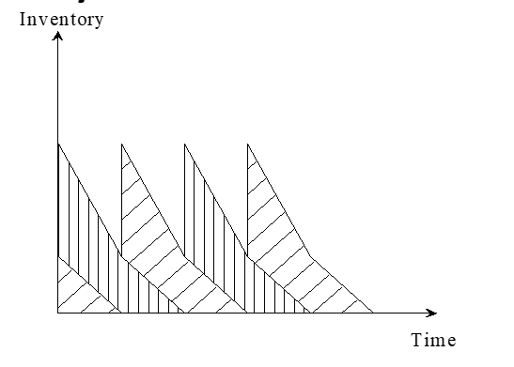
 |  | Product | 1 | 2 |  |  | Product | 1 | 2
 |  | d | 300 | 350 |  |  | d | 300 | 350
 |  | A | 150 | 111 |  |  | A | 150 | 111
 |  | h | 1.5 | 2 |  |  | h | 1.5 | 2
 |  | a | 3 | 1 |  |  | a | 3 | 1

 |  |  |  |  |  |  | d)
 |  |  |  |  |  |  | Common cycle model
b) | Solution with Lagrange |  |  |  |  |  | 1) calculate unconstraint case
Case 1: no capacity constraint |  | λ | 0 |  |  | Total | h*d | 450 | 700
 |  | Q* | 244.95 | 197.10 | -->space | 931.95
Case 2: constrainted |  | λ | 1 |  |  |  | T_unc | 0.674
λ = 1,2,3.. |  | Q* | 109.54 | 139.37 | -->space | 468.01
 |  |  |  |  |  |  | 2) calculate the constrainted case
 |  |  |  |  |  |  | a*d | 900 | 350

$$C\left(Q_{i}\right)={\sum_{i=1}^{N}{\left[\frac{d_{i}}{Q_{i}}⋅A_{i}+\frac{h_{i}}{2}⋅Q_{i}\right]}}$$
 |  |  |  |  |  |  | ai*aj*di*dj | 810000 | 122500 | 315000
 |  |  |  |  |  |  | Coefficient |  | 0.001002004008
c)
Cost savings in case 1 compared to case 2 |  |  |  |  |  |  | W | 500
 |  |  |  |  |  |  | T_cons | 0.501
Case 1: no capacity constraint |  | Cost (λ=0) | 367.42 | 394.21 | --> | 761.63
Case 2: constrainted |  | Cost (λ=1) | 492.95 | 418.12 | --> | 911.07
 |  |  |  |  |  |  | 3) choose minimum T of 1) and 2)
 |  |  |  |  |  |  | T* | 0.501
W= | 500 |  | C= | 911.07 |  |  | e)
 |  |  |  |  |  |  | Q*_i | 150.30 | 175.35 |  | Qi=diT
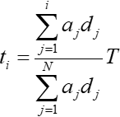
W= | 1000 |  | C= | 761.63 | price: | 149.440
 |  |  |  |  |  |  | t_i | 0.36 | 0.14 |  | 0.501

 |  |  |  |  |  |  | y_1=Q_1-d_1*t_2 | 108.216

